Awards Program - Costs
What are your awards costing you?

How to Use This Template
<< Fill in the cost of each step in your awards program. Some costs are one-time fees (like purchasing trophies or prizes), while other may be based on a salary (like support).
(The $100 entries are just placeholders.)
These charts will update automatically. >>
Expenses | Cost
IT / Web Development * |  | Expenses Breakdown | Cost
Awards Website Development | $100 | IT / Web Development | $600
Hosting Fees | $100 | Marketing | $600
Integration Costs | $100 | Administrative | $600
Entry and Judging Software Development | $100 | Awards Gala | $500
Ongoing IT Support | $100 | GRAND TOTAL | $2,300
Other programming costs | $100
Marketing **
Cost
Blog and Press Release Writing | $100
Press Release Distribution | $100
Social Media Advertising | $100
Traditional Advertising | $100
Graphic Design | $100
Other marketing costs | $100
Administrative *
Day to day support (email + phone) for awards program | $100
Call for entry preparation | $100
Postage | $100
Judging coordination / selection | $100
Travel costs | $100
Other administration costs | $100
Awards Gala
Venue | $100
Food | $100
*OpenWater's awards management
software can significantly reduce
(or eliminate) the time and cost
that go into both IT and
adminstrative tasks for your awards
program.
Download our data sheet "How
OpenWater Awards Software
Works" to learn more!
Click here or click the image >>
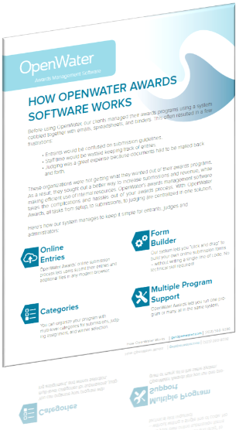
**OpenWater's awards software
doesn't just stop at making
your awards process easier and
more efficient, but can also help
out with your awards marketing
strategy.
Download our data sheet
"Marketing with OpenWater" to
learn more!
Click here or click the image >>
Music | $100
Entertainment | $100
Winner trophies and prizes | $100
GRAND TOTAL | $2,300

Awards Program - Time Spent
What are your awards costing you?

How to Use This Template
<< Fill in the hours of staff or outside contractors' time spent to complete each step in your awards program. Some steps may be completed at one time with a set number of hours, while others may take time over multiple days or weeks to be completed.
(The "10" hour entries are just placeholders.)
These charts will update automatically. >>
Expenses | Time Spent (hours)
IT / Web Development * |  | Expenses Breakdown | Time Spent
Awards Website Development | 10 | IT / Web Development | 60
Hosting Fees | 10 | Marketing | 60
Integration Costs | 10 | Administrative | 60
Entry and Judging Software Development | 10 | Awards Gala | 50
Ongoing IT Support | 10 | GRAND TOTAL | 230
Other programming costs | 10
Marketing **
Time Spent
Blog and Press Release Writing | 10
Press Release Distribution | 10
Social Media Advertising | 10
Traditional Advertising | 10
Graphic Design | 10
Other marketing costs | 10
Administrative *
Day to day support (email + phone) for awards program | 10
Call for entry preparation | 10
Postage | 10
Judging coordination / selection | 10
Travel costs | 10
Other administration costs | 10
Awards Gala
Venue | 10
Food | 10
*OpenWater's awards management
software can significantly reduce
(or eliminate) the time and cost
that go into both IT and
adminstrative tasks for your awards
program.
Download our data sheet "How
OpenWater Awards Software
Works" to learn more!
Click here or click the image >>
**OpenWater's awards software
doesn't just stop at making
your awards process easier and
more efficient, but can also help
out with your awards marketing
strategy.
Download our data sheet
"Marketing with OpenWater" to
learn more!
Click here or click the image >>
Music | 10
Entertainment | 10
Winner trophies and prizes | 10
GRAND TOTAL | 230

